Req Testing - Images
Requirement | Test# | AC | Test Description | Pass/Fail | Notes | Fix Applied If Failed | Retest
1 | 1 | AC1: When a user visits the designated web address (http://localhost:5000/analyser), they will be prompted to grant permission for the system to access their webcam. | Navigated to the URL at http://localhost:5000/analyser. | PASS | 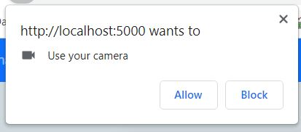 When I navigate to the url at http://localhost:5000/analyse, the pop up below is shown. | N/A | N/A
 | 2 | AC2.If the user grants permission, the system will display a live video feed of the webcam stream on the screen. There will be a button for each labelling method There will be a “Stop” button which stops any labelling process in progress. | Navigated to the URL at http://localhost:5000/analyser and clicked "Allow" on the webcam permission pop up (See test 1) | PASS | 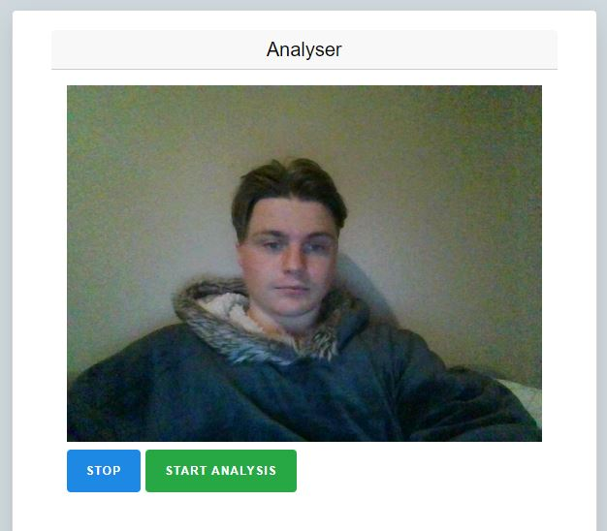 Webcam access was granted and live steam shown on screen. Two buttons as described in the acceptance criteria are displayed below the live stream. See image below: | N/A | N/A
 | 3 | AC3. The page should be available to registered and anonymous users. | Navigated to the URL at http://localhost:5000/analyser as an anonymour user, a registered user and an admin user | PASS | Access granted to page for all 3 role types. | N/A | N/A
2 | 4 | AC1. Upon clicking on any of the labelling buttons, the system should initiate the labelling process for that labelling method | Clicked on each of the "Method 1", Method 2", and "Method 3" buttons. | PASS | After clicking on each button, there was a brief delay and a labelled image was displayed on screen. After another brief delay, a second image was displayed on screen without me needing to press the button again. This continued until I pressed the "Stop" button. When I clicked on the button initially, all other buttons were disabled, except for the "Stop" button. | N/A | N/A
 | 5 | AC 3.The user should only need to press a labelling method button once , which should start the labelling process. In case of any error, the system should automatically attempt to restart the process. | See test 4 results above | PASS | See test 4 results above | N/A | N/A
 | 6 | AC4.When the labelling process is in progress, all labelling method buttons should be disabled. | I clicked on each of the method buttons. This took 3 screen shots and began the image labelleling process 3 times, causing the system to slow. | FAIL | This took 3 screen shots and began the image labelleling process 3 times, causing the system to slow | 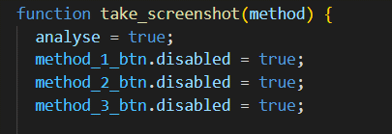 Disabled button once it is clicked. It is only re enabled once the user clicks the "Stop" button. | PASS
 | 7 | AC5. The "Stop" button should halt any process that is in progress and re-enable the labelling method buttons. | Clicked on the stop button when the image labelleling process was in progress | PASS | The current image labelleling process finished and the process stopped | N/A | N/A
3 | 8 | AC1. When a face is detected in an image, the system should crop the face and save the image for further processing (i.e., generating an image embedding). | Sent a postman request to the Face_Detect_Server containing base 64 image data representing an image containing a human face. | PASS | The API returned a response stating that faces were detected, Base 64 image data of each face, and the regional coordinates of each face detected in the image | N/A | N/A
 | 9 | AC2. In case a face is not detected in the image, the system should continue to sample frames from the webcam and repeat the face detection process until a face is detected. | Clicked on each labelleing method button when no face was in the webcam. | PASS | The message "No Face Detected" was displayed to the console and the process repeated. | N/A | N/A
4 | 10 | AC1.For each face detected in the image, the face is cropped and saved for processing (generating an image embedding). | Sent a postman request to the Face_Detect_Server containing base 64 image data representing an image containing a human face. | PASS | The API returned a response stating that faces were detected, Base 64 image data of each face, and the regional coordinates of each face detected in the image | N/A | N/A
 | 11 | AC2. If no face is detected in the image, the system should continue to sample frames from the user’s webcam and repeat the process until a face is detected. | Clicked on each labelleing method button when no face was in the webcam. | PASS | The message "No Face Detected" was displayed to the console and the process repeated. | N/A | N/A
5 | 12 | AC1.For each face detected, a red, rectangular border should be drawn around the face in the original image. | Clicked on each labelleing method button to start the image analyses process and waited for labelled image to be returned. | PASS | 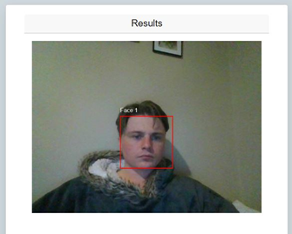 The image was returned with a red border drawn around the face in the image and labelled "Face 1". | N/A | N/A
 | 13 | AC2.Each face should be labelled. | Clicked on each labelleing method button to start the image analyses process and waited for labelled image to be returned. | PASS | See test 12 above. | N/A | N/A
 | 14 | AC3. Labels applied to faces should not be cut off by image borders or other faces. | Clicked on each labelleing method button to start the image analyses process and waited for labelled image to be returned. Moved my face to the four borders of the webcam and waited for the system to return the results. | PASS | Each labelled image returned had the face label visible on the image. If there was no room to draw the label above the image, the label was drawn below the image. Else the label was drawn above the image. | N/A | N/A
6 | 15 | AC1. The system can generate a clip embedding for each face detected in an image captured by a user’s webcam. | Sent a postman request to the image_embedding server containing base 64 image data. | PASS | Received a response from the image_embedding server containing a clip embedding for the image. (See Postman Test files). | N/A | N/A
7 | 16 | AC1.When an image embedding is generated, the system can match the closest text embedding from a set of labels to that image. | Sent a postman request to the labelling server containing an image embedding. | PASS | Received an API response containing the labels matched to the embedding (See Postman Test files). | N/A | N/A
8 | 17 | AC1. When a labelled image has been received, it should be displayed to the user. | Clicked on each labelleing method button and waited for the API to respond. | PASS | 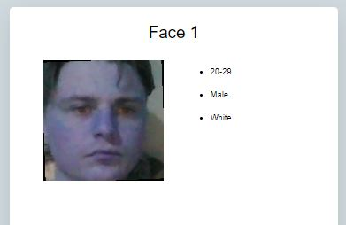 A cropped out image of the face with labels is displayed to the screen. | N/A | N/A
 | 18 | AC2.The original image should also be displayed to the user, with borders drawn around each detected face. | Clicked on each labelleing method button and waited for the API to respond. | PASS | 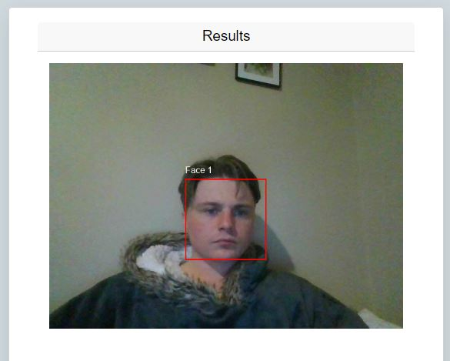 The original screenshot was returned and displayed to the screen with faces bordered. | N/A | N/A
9 | 19 | 1. There should be at least 1 method of correcting incorrect label predictions. | See Chapter 4 Experimentation. Label Method 3 proved to become accurate over time |  | See Chapter 4 Experimentation. Label Method 3 proved to become accurate over time | N/A | N/A
 | 20 | 2. The accuracy of any label correction methods developed should be measured and recorded in chapter 4. | See Chapter 4 Experimentation. |  | See Chapter 4 Experimentation. | N/A | N/A
10 | 19 | AC1.When a labelled image is returned to the user, the process automatically begins again. | Clicked on each labelleing method button and waited for the API to respond. | PASS | Once a labelled image was returned, another screenshot was taken and the process started automatically without any input being required. | N/A | N/A
 | 20 | AC2.The process should only stop when the user exists the webpage or presses the “Stop” button (see Requirement 2). | See test 7 | PASS | See test 7 | N/A | N/A
11 | 21 | AC1.The screen should only be accessible to registered users. If a non-registered user tried to access the screen by entering the URL directly into the browser, they should be navigated away from the screen. | Navigated to the screen at http://localhost:5000/verify/ as a registered user. Then I navigated to the screen at http://localhost:5000/verify/ as an anonymous user. | PASS | As a registered user, I was able to access the page and its functionalities. As an anonymous user, I was redirected to the home page. | N/A | N/A
 | 22 | AC2.The screen should retrieve the next unverified image from the database. On the left of the screen the image should be displayed. On the right of the screen, all unverified labels should be displayed. | Navigated to the screen at http://localhost:5000/verify/ as a registered user. | PASS | As a registered user, when I navigated to the screen and was shown an image on the left hand side, and a set of labels to the right hand side. I checked the image ID in the database and this image was an unverified image. | N/A | N/A
 | 23 | AC3.There should be a check box for each label. | Navigated to the screen at http://localhost:5000/verify/ as a registered user. | PASS | As a registered user, when I navigated to the screen there was a set of labels on the right hand side, with a check box beside each label. The checkbox was active and could be toggled. | N/A | N/A
 | 24 | AC4.There should be a “Confirm Labels” button below the labels. When the user clicks this button, the user’s selection should be saved, and the user should be shown a screen that allows them to add their own labels to the image | Navigated to the screen at http://localhost:5000/verify/ as a registered user. Checked the top checkbox and clicked "Confirm Labels" | PASS | 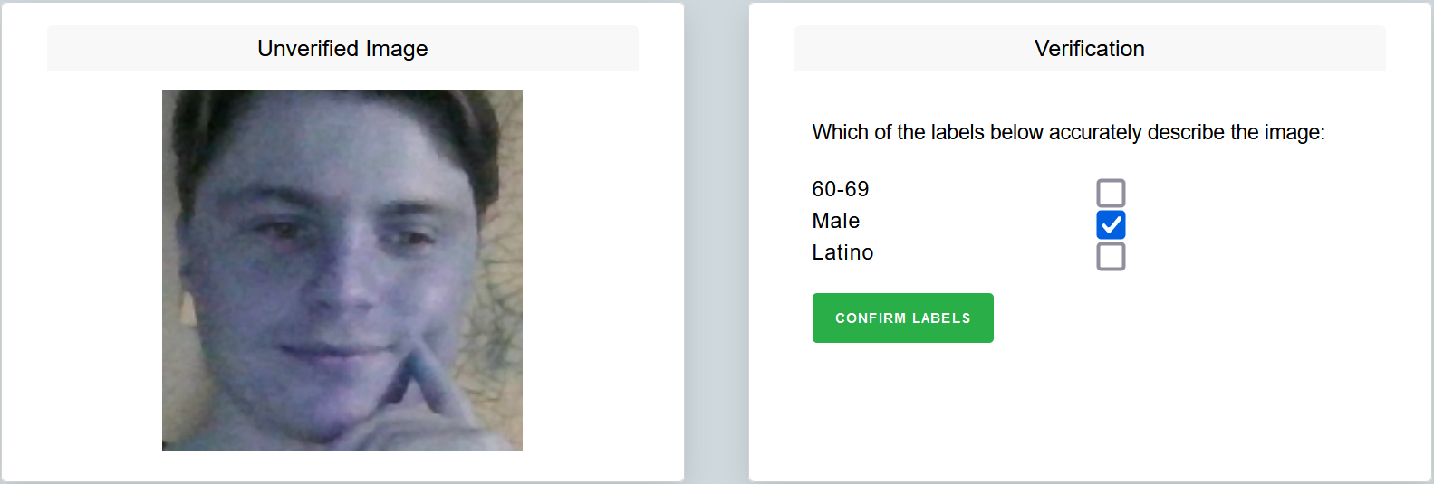 As a registered user, when I checked the top checkbox and clicked "Confirm Labels", I was shown the next screen in the form (user added labels). When I clicked the back button, my selections remain selected. | N/A | N/A | the checked label was added to the "verified_labels" attribute of the image record in the db, and the 2 unchecked labels were added to the "incorrect_labels" attribute. The "requiresVerification" attribute was also set to false.
12 | 25 | AC1. After verifying the labels generated by the system, a registered user should be able to add additional labels to the image. | Performed tests for Req 11 above and was shown a screen that allowed me to add my own labels. | PASS | 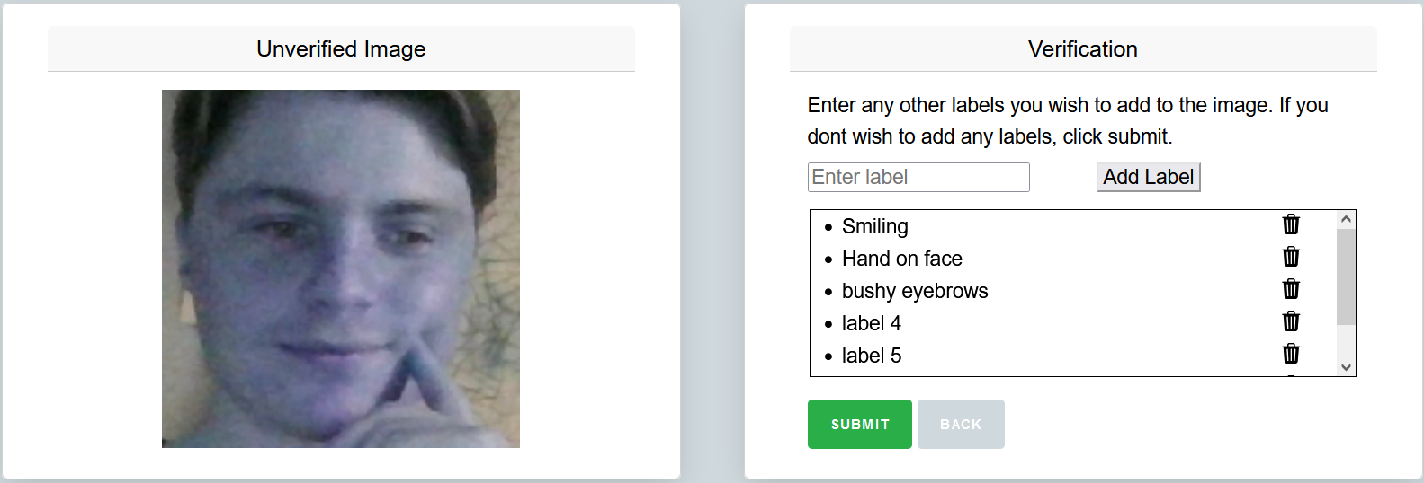 Attempted to add a label and the label was shown on screen. Continued to add labels until a scrollable area triggered. The system allowed me to add as many labels as I wanted. | N/A | N/A
 | 26 | AC2.Users can add 0 or more labels to an image as they see fit. | Attempted to add multiple labels | PASS | I was able to continue to continue to add as many labels as I wanted to. | N/A | N/A
 | 27 | AC3.Users should be able to remove any additional labels they have attached before submitting the image. (I.e., in case of spelling mistakes or if they have reconsidered the label). | Clicked on the trash icon beside each label. | PASS | Each label was removed from the list until there were no labels remaining. | N/A | N/A
 | 28 | AC4. The user should not be allowed to add empty labels. | Attempted to add a label with only white space. | FAIL |  I was able to add an empty label: | Added label validation | PASS
 | 29 | AC5. There should be a submit button that allows the user to submit additional labels to the the database. The record for the image should be updated with the field "UserAddedLabels" that contains the labels added by the user. | Added user labels and clicked submit | FAIL | The verified labels and the user added labels were passed through to the backend server. However, only the user added labels were not saved to the database. | Added code to add the field "UserAddedLabels" when the record is updated. As this feature was developed later, the original update logic did not include user added labels. Updated update_labels() to now process and save user added labels. When the test was re ran, all data was submitted to the database as expected. | PASS
13 | 30 | AC1.When the user enters a recognised username and password and clicks submit, they are logged into the system and navigated to the Home Page page. | Navigated to the screen http://127.0.0.1:5000/login/. Logged in using the following details: username: user1 password: 123qwe | PASS | Upon entering valid details into the login form and clicking on the "Log In" button, I was navigated to the home page. | N/A | N/A
 | 31 | AC2.When the user enters incorrect details and clicks submit, and error message saying “Invalid Credentials” should be displayed. | Navigated to the screen http://127.0.0.1:5000/login/. Logged in using the following details: username: incorrect_Username password: incorrect_password | FAIL | 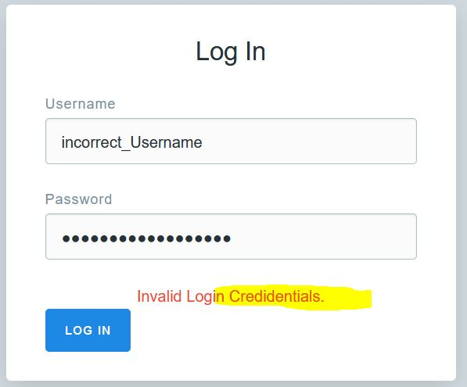 Incorrect Error message shown. See image below. Need to fix spelling. | 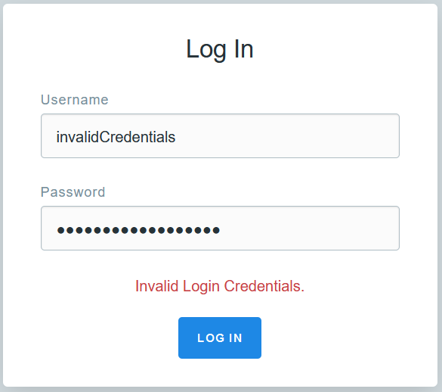 Spelling Corrected | PASS
14 | 32 | AC1.Admin users should have access to all pages on the application and have access to all functionalities. | Logged into the application as an admin user and attempted to navigate to all pages in the application as below : - Create Account -Login -Home -Face Analyser -Image Verification | PASS | As an admin user I was able to access all screens on the application. | N/A | N/A
 | 33 | AC2.Registered users should have access to the “Analyse” and “Verify” and “Login” pages. They should be able to use the image analyser and also verify labels that have been attached to images on the verify page. | Logged into the application as an admin user and attempted to navigate to all pages in the application as below : - Create Account -Login -Home -Face Analyser -Image Verification | PASS | As a registered user, I was able to access the Login, Home, Face Analyser and Image Verification Pages. When I attempted to navigate to the create account page via url, I was redierected to the home screen. | N/A | N/A
 | 34 | AC3. Anonymous users should have access to the “Analyse” and “Login” pages and functionality. | Logged into the application as an admin user and attempted to navigate to all pages in the application as below : - Create Account -Login -Home -Face Analyser -Image Verification | PASS | As a anonymous user able to acccess the home, login, and Face Analyser pages. I was redirected to the homescreen when I attempted to navigate to the verification and create account pages via url. | N/A | N/A
15 | 35 | AC1.The “Account Creation” page should be accessible to admin users only. | Pass - See Test 27 | PASS | Pass - See Test 27 | N/A | N/A
 | 37 | AC2.There should be a form containing the fields “Username” and “Password”. There should also be a checkbox labelled “Is Admin”. | Logged into the application as an admin user and navigated to the account creation page. | PASS | The create account page shows a form contaiing a usernamefield, a password field, an isAdmin checkbox. | N/A | N/A
 | 38 | AC3.Username and password cannot be blank or greater than 50 characters. | Attempted to create a username with greater than 50 characters | FAIL | Fail - I was able to create a username 51 characters long. | 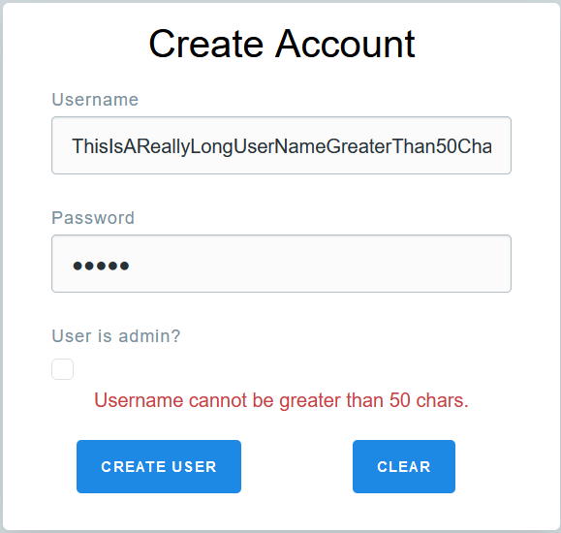 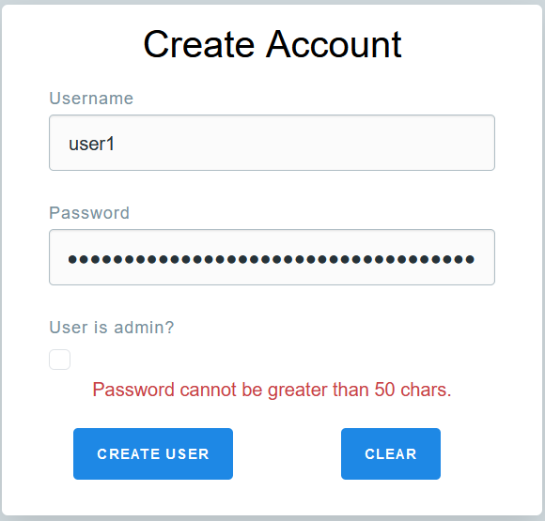 Validation added to validate username not greater than 50 characters. 49chars - pass 50chars - pass 51 chars- fail | PASS
 | 40 | AC4.When the user clicks the “Submit” button, the new user details should be validated. If the credentials are valid, a new user should be created. | Attempted to create a new user using valid details and clicked the submit button | PASS | The user details were validated and succesfully saved to the users database. I then was able to successfully log into the system using the details. | N/A | N/A
 | 41 | AC5.If the details are invalid, an appropriate error message should be displayed (i.e “Password cannot be blank”). | Attempted to create a new user with invalid details (username and password >50 chars) and a user with no password. | FAIL | When I attempted to create a user with no password, no user was created but the form did not show an appropriate error message. When I attempted to create a user with a password >50 chars and a username >50 chars, no error was thrown and the user was greated. | Validating updated. Error message now showing when the user enters empty username or password. Validation also added to validate that the username and password are <= 50 characters. | PASS
 | 42 | AC6.If the new user details are valid but a user with the same username already exists on the system, the message “User already exists with this username” should be displayed. | Attempted to create a duplicate user | PASS | When attempting to create a duplicate user, the following error message was shown : "Username already exists. Please Choose Another" | N/A | N/A

